NoTP-TSL-Tnd-R1-M6
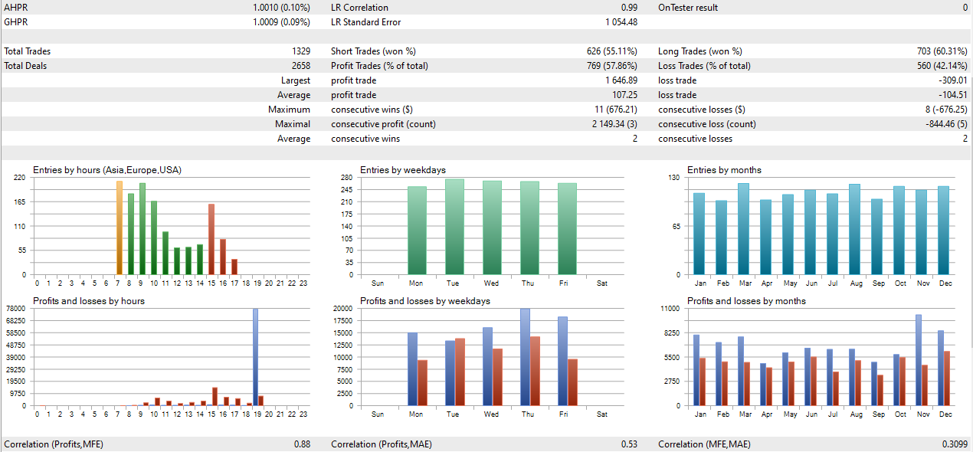
Inputs

Trade Settings |  |  |  | Profit ($) | Profit (%) | Profit Factor | Max Drawdown ($) | Max Drawdown (%) | Win % | Total Trades
LotSize | 0 | Starting Balance | $10,000.00 | $23,946.54 | 239.47% | 1.41 | $2,389.93 | 7.55% | 57.86% | 1329
RiskPercent | 0.5 |  | $10,000.00 | $23,946.54 | 239.47% | 1.41 | $2,389.93 | 7.55% | 57.86% | 1329
TPPoints | 0
TpFactor | 0
TSL Settings
TslTriggerPoints | 0
TslTriggerFactor | 0.75
TslPoints | 25
Trend Setting
TradeWithTrend | TRUE
TrendMaTimeframe | 6 Minutes
SlowTrendMaMethod | simple
SlowTrendMaPeriod | 200
FastTrendMaMethod | simple
FastTrendMaPeriod | 60
RangeBuffer | 0
Strategy Inputs
RangeStartHour | 3
RangeStartMinute | 0
RangeEndHour | 7
RangeEndMinute | 30
StopTradingHour | 17
StopTradingMin | 30
ClosePositionsHour | 19
ClosePositionsMin | 55

NoTP-TSL-Tnd-R1
Inputs

Trade Settings |  |  |  | Profit ($) | Profit (%) | Profit Factor | Max Drawdown ($) | Max Drawdown (%) | Win % | Total Trades
LotSize | 0.1 | Starting Balance | $10,000.00 | $17,450.39 | 174.50% | 1.51 | $2,271.67 | 8.75% | 61.76% | 918
RiskPercent | 0.5 |  | $10,000.00 | $17,450.39 | 174.50% | 1.51 | $2,271.67 | 8.75% | 61.76% | 918
TPPoints | 0
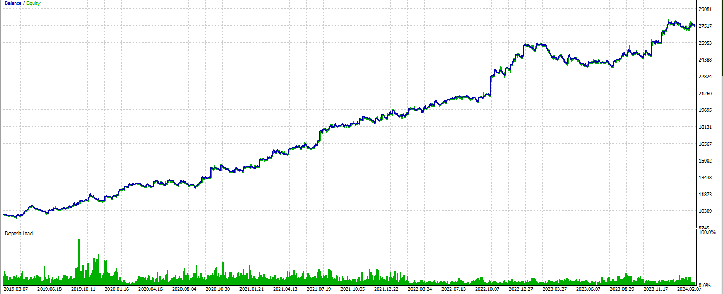
TpFactor | 0
TSL Settings
TslTriggerPoints | 0
TslTriggerFactor | 0.75
TslPoints | 25
Trend Setting
TradeWithTrend | TRUE
TrendMaTimeframe | current
SlowTrendMaMethod | simple
SlowTrendMaPeriod | 200
FastTrendMaMethod | simple
FastTrendMaPeriod | 60
RangeBuffer | 0
Strategy Inputs
RangeStartHour | 3
RangeStartMinute | 0
RangeEndHour | 7
RangeEndMinute | 30
StopTradingHour | 17
StopTradingMin | 30
ClosePositionsHour | 19
ClosePositionsMin | 55

NoTP-NoTSL-NoTnd-R1
Inputs

Trade Settings |  |  |  | Profit ($) | Profit (%) | Profit Factor | Max Drawdown ($) | Max Drawdown (%) | Win % | Total Trades
LotSize | 0.1 | Starting Balance | $10,000.00 | $23,386.57 | 233.87% | 1.20 | $6,243.47 | 17.25% | 43.50% | 1747
RiskPercent | 0.5 |  | $10,000.00 | $23,386.57 | 233.87% | 1.20 | $6,243.47 | 17.25% | 43.50% | 1747
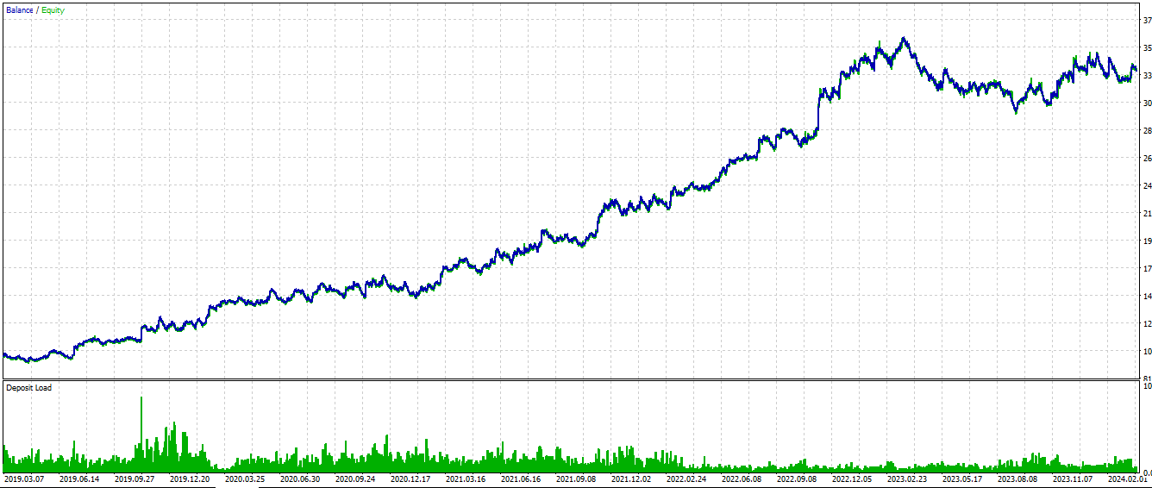
TPPoints | 0
TpFactor | 2
TSL Settings
TslTriggerPoints | 0
TslTriggerFactor | 0.75
TslPoints | 0
Trend Setting
TradeWithTrend | FALSE
TrendMaTimeframe | current
SlowTrendMaMethod | simple
SlowTrendMaPeriod | 200
FastTrendMaMethod | simple
FastTrendMaPeriod | 60
RangeBuffer | 0
Strategy Inputs
RangeStartHour | 3
RangeStartMinute | 0
RangeEndHour | 7
RangeEndMinute | 30
StopTradingHour | 17
StopTradingMin | 30
ClosePositionsHour | 19
ClosePositionsMin | 55

